Main Menu
AIHA | AIHA Business Case in EHS Tool
 | How is this tool organized?
Disclamer | The AIHA Business Case (BC) in Environmental, Health, and Safety (EHS) tool can be defined as a structured method used to justify a project (intervention) for decision-makers. It captures the effects of implementing programs or activities on employee health and safety (injury or illness), risk management, and the business process. The effects include customary financial business metrics, such as net present value (NPV), internal rate of return (IRR), return on investment (ROI) and Pay Back Period (PBP), which are meaningful to business management. This tool also includes non-financial measures, those that cannot be directly or easily monetized. In reality, the Business Case answers the question: "What’s in it for the company?" | 

Establish Context
ID Key Business Objectives
ID EHS Risks

Analyze and Evaluate EHS Risks

Risk Reduction HoRT 4x5
Risk Reduction HoRT 5x5

BCA - ROI
FA Sum
NFB 1
NFB 2

Present (5 min. elevator speech) Communicate Outcomes

Developed for AIHA by: Georgi Popov, Ph.D., CSP, QEP, SMS, ARM, CMC, FAIHA; Bruce Lyon| CSP | P.E. | SMS | ARM | CHMM; and Tsvetan Popov, PhD, CIH, CSP
Occupational Risk & Safety Sciences Department
University of Central Missouri
v. 1.0 / May 7, 2021

© 2021 American Industrial Hygiene Association. All Rights Reserved

AIHA developed this Prevention through Design (PtD) Business Case product in collaboration with researchers from the National Institute for Occupational Safety and Health (NIOSH). Funding was provided, in part, by NIOSH. The findings and conclusions are those of the AIHA and do not necessarily represent the views of NIOSH. Mention of any company or product does not constitute endorsement by NIOSH.

Context
Main Menu
 | Establish Context, Scope, Objectives
 | Enter Project Name: | PtD Intervention in an Open Pit Coal Mine
 | Start Date: |  | End Date:
 | Responsible SME:
 | Project Scope: | Dozers fleet operator’s Occupational, Health, Safety, and Environmental (OHS&E) risk reduction.
 | Enter in the box below a detailed description of the current OSH problem(s), process(es), or risk(s) that are included in this Business Case Project
 | Description of Current OSH condition
 | Dozers fleet operator’s crystalline silica exposure exceeds OELs. Vibration and noise levels are of concern for the company management. Dozer operators currently use respiratory protection and earplugs.

 | Enter a list of measurable results that occur from fixing the OSH problem(s), process(es), or risk(s) with a PtD solution
 | Objective Number | Business Case Project Objectives |  | Goal
 | 1 | Dozers fleet operator’s crystalline silica exposure reduction below OELs |  | % Risk Reduction. Cost reduction
 | 2 | Reduce whole body vibration (WBV) |  | % Risk Reduction. Cost reduction
 | 3 | Reduce noise levels |  | % Risk Reduction. Cost reduction

Developed for AIHA by: Georgi Popov, Ph.D., CSP, QEP, SMS, ARM, CMC, FAIHA; Bruce Lyon| CSP | P.E. | SMS | ARM | CHMM; and Tsvetan Popov, PhD, CIH, CSP
Occupational Risk & Safety Sciences Department
University of Central Missouri
v. 1.0 / 5/7/2021

Key BO
Main Menu
 | Project Name: | PtD Intervention in an Open Pit Coal Mine
 | Key Business and EHS Objectives
 | Date:
 | Prepared by:

 | Objective Number | Objective | Business Unit
 | 1 | Business sustainability | Coal Mining
 | 2 | Excellence in EHS | Coal Mining
 | 3 | Retain talented employees | Coal Mining
 | 4 | Increase profits | Coal Mining
 | 5 | Diversification of markets and customers | Coal Mining

Developed for AIHA by: Georgi Popov, Ph.D., CSP, QEP, SMS, ARM, CMC, FAIHA; Bruce Lyon| CSP | P.E. | SMS | ARM | CHMM; and Tsvetan Popov, PhD, CIH, CSP
Occupational Risk & Safety Sciences Department
University of Central Missouri
v. 1.0 / 5/7/2021

ID Risks
Main Menu
 |  | Job Hazard Analysis
 | # | Task/Step/Process/ Operation | Hazards | Worst Case Scenario | Worst Credible Consequences | Current Controls
 | 1 | Open pit coal extraction - Dozer operators exposure | Silica dust (SiO2) exposure | Silicosis. Death | Respiratory disorders. | Medical surveillance, respiratory protection, IH sampling
 | 2 | Open pit coal extraction - Dozer operators exposure | Whole Body Vibration (WBV) | Disability. | Circulatory, bowel, respiratory, muscular and back disorders | None
 | 3 | Open pit coal extraction - Dozer operators exposure | Noise | Permanent hearing loss. Disability https://www.cdc.gov/vitalsigns/hearingloss/index.html | Permanent tinnitus and/or hearing loss | Earplugs
 | 4
 | 5

 | Instructions: Use this form to identify hazards, potential consequences and controls at the job task (or step) level. You can modify the form to meet any additional needs for your assignment. JHA hazard information can be used to develop separate safe work procedures for employee use. You can select Worst Case Scenario or Worst Credible Consequence to perform the risk analysis and evaluation. Job: You need to first select a job (or main activity) to analyze. Tasks/Steps/Process/Operation: List tasks or steps that are part of the job you selected in the “Task” column. Examples: Dozer operator excavating coal is an operation. “Operating a table saw” would be the job while “Installing a blade” and “Ripping” would be separate tasks. Hazards: Note any condition in the workplace that can potentially cause occupational injury, death, or disease. Assume that no personal protective equipment is being worn- even if it is because hazards could persist if PPE isn’t used. You may choose to add detail about how injuries/illnesses could occur due to the hazard. Examples of hazards include: working at heights, slippery surfaces, exposed moving machinery parts, fire, explosion, vibration, noise, electricity, toxic emissions, corrosive chemicals, low oxygen, repetitive tasks, heavy lifting, infectious Bloodborne pathogens, assault, and homicide. Examples of how injuries/illnesses can occur: work at height can result in falls that can result in broken bones, paralysis, or death; noise exposure can cause permanent and severe ringing in the ears and hearing loss; exposure to corrosive chemicals can cause permanent skin damage and blindness; and working in low oxygen areas can lead to sudden suffocation, unconsciousness, and death. Potential Consequences: Describe potential consequences of the hazards. Describe worst case scenario. Controls: Note how you will eliminate or minimize the hazard. PPE does NOT eliminate the hazard. Examples of controls include: Using a safer tool or equi

Developed for AIHA by: Georgi Popov, Ph.D., CSP, QEP, SMS, ARM, CMC, FAIHA; Bruce Lyon| CSP | P.E. | SMS | ARM | CHMM; and Tsvetan Popov, PhD, CIH, CSP
Occupational Risk & Safety Sciences Department
University of Central Missouri
v. 1.0 / 5/7/2021

RAM FA and NFB
 | Select Risk Assessment Matrix (RAM)/PERFORM CBA FINANCIAL AND nfb ANALYSIS
Main Menu

RAM 5x4
RAM 5x5

ROI
FA Sum
NFB 1
NFB 2
 | Instructions | Cost-Benefit Analysis and ROI
 | Click on one of the Blue boxes above to select RAM 5x4 or 5x5. Next, enter up to 5 hazards in the "Hazard #" boxes. Review, Severity and Likelihood/Probability descriptions. Select Severity and Probability ranking from the drop down menu. The tool will automatically calculate "Risk Level". After that, click on Risk Reduction Hierarchy of Risk Treatment (HoRT) button. Review the Two-Stage Iterative Approach to the Hierarchy of Controls and Risk Reduction. Become familiar with Protection Factor (PF) multipliers. Select the appropriate multiplier from the drop down menu (Row 7). The form will automatically recalculate Risk Level Future State (FS) after the controls implementation. Finally, click on RAM FS button. The tool automatically calculates Risk Reduction and Residual Risk. | Financial and Non-Financial Benefits Tools

Developed for AIHA by: Georgi Popov, Ph.D., CSP, QEP, SMS, ARM, CMC, FAIHA; Bruce Lyon| CSP | P.E. | SMS | ARM | CHMM; and Tsvetan Popov, PhD, CIH, CSP
Occupational Risk & Safety Sciences Department
University of Central Missouri
v. 1.0 / 5/7/2021

RAM CS
Main Menu
Semi-Quantitative Risk (5x4) Matrix Example - Current State

Risk Reduction HoRT
 | Hazard # | 1 SiO2 | 2 WBV | 3 Noise
 | Severity | 4 | 3 | 3
 | Likelihood | 3 | 3 | 3
 | Risk Level CS | 12 | 9 | 9 | 0 | 0

Example: Numerical Values
 |  | <-------- Severity of Injury or Illness Consequence ------->

Likelihood of Occurrence or Exposure for select unit of Time or Activity |  | Negligible (1) |  | Marginal (2) |  | Critical (3) | Catastrophic (4)

Frequent (5) |  | 5 |  | 10 |  | 15 | 20

Probable (4) |  | 4 |  | 8 |  | 12 | 16

Occasional (3) |  | 3 |  | 6 |  | 9 | 12

Remote (2) |  | 2 |  | 4 |  | 6 | 8

Improbable (1) |  | 1 |  | 2 |  | 3 | 4

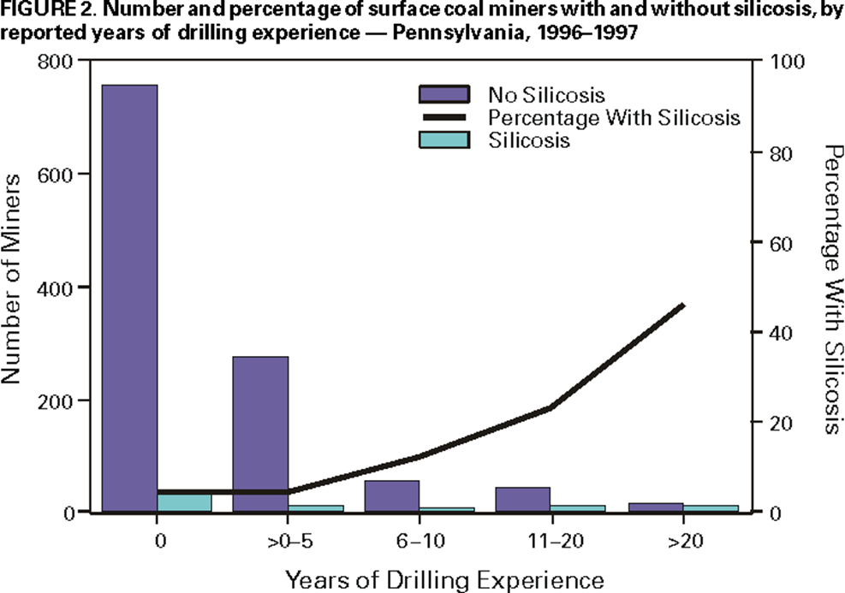
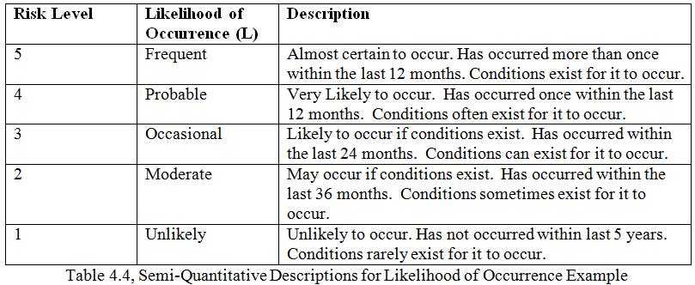

 |  |  |  |  |  |  |  |  | Alternative Severity Ranking
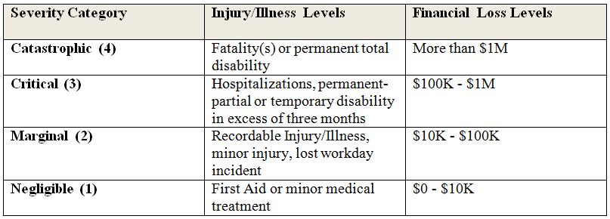
Back to top

 |  |  |  |  |  |  |  | Table 4.7, Severity of Consequence Categories Example

Developed for AIHA by: Georgi Popov, Ph.D., CSP, QEP, SMS, ARM, CMC, FAIHA; Bruce Lyon| CSP | P.E. | SMS | ARM | CHMM; and Tsvetan Popov, PhD, CIH, CSP
GPS, Safety Sciences
University of Central Missouri
v. 1.0 / 5/7/2021 ® 2021

RR HoC
Main Menu
RISK REDUCTION AND THE HIERARCHY OF RISK TREATMENT |  |  |  |  |  |  | 0.1
 |  |  |  |  |  |  | 0.4

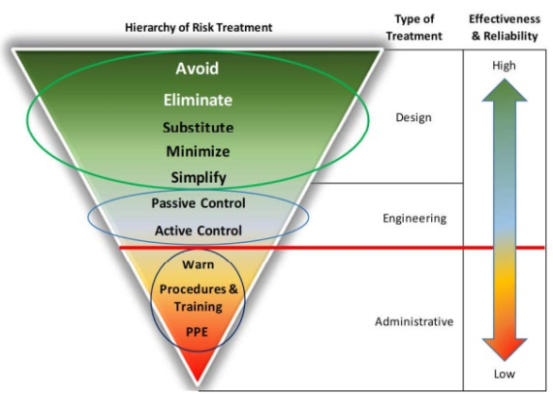
 | Hazard # | 1 SiO2 | 2 WBV | 3 Noise | 0 | 0 | 0.6
 | Severity | 4 | 3 | 3 |  |  | 0.7
 | Likelihood | 3 | 3 | 3 |  |  | 0.8
 | Risk Level CS | 12 | 9 | 9 | 0 | 0 | 0.9
 | PF | 0.6 | 0.5 | 0.5 |  |  | 0.95
 | Risk Level FS | 7.2 | 4.5 | 4.5 | 0 | 0 | 1

RAM FS
 | Protection Factor (PF) |  | Multiplier
 | Elimination |  | 0.1
 | Substitution |  | 0.2
 | Minimize |  | 0.3
Back to RAM CS
 | Simplify |  | 0.4
 | Engineering - Passive |  | 0.5
 | Engineering- Active |  | 0.6
 | Warning |  | 0.7
 | Admin |  | 0.8
 | PPE |  | 0.9 |  |  | Adapted from ANSI/ASSP. (2021). Prevention through design: Guidelines for addressing occupational hazards and risks in design and redesign processes (ANSI/ASSP Z590.3-2021. Park Ridge, IL: ASSP.)
 | No Controls |  | 1

Developed for AIHA by: Georgi Popov, Ph.D., CSP, QEP, SMS, ARM, CMC, FAIHA; Bruce Lyon| CSP | P.E. | SMS | ARM | CHMM; and Tsvetan Popov, PhD, CIH, CSP
Occupational Risk & Safety Sciences Department
University of Central Missouri
v. 1.0 / 5/7/2021

RAM FS
Main Menu
Semi-Quantitative Risk (5x4) Matrix Example - Future State

 | Hazard # | 1 SiO2 | 2 WBV | 3 Noise | 0 | 0
 | Severity | 4 | 3 | 3 | 0 | 0
 | Likelihood | 3 | 3 | 3 | 0 | 0
 | Risk Level CS | 12 | 9 | 9 | 0 | 0
 | PF | 0.6 | 0.5 | 0.5 | 0 | 0
Back to RR HoC
 | Risk Level FS | 7.2 | 4.5 | 4.5 | 0 | 0
 | Risk Reduction | 40.00% | 50.00% | 50.00% | #DIV/0! | #DIV/0!
 | Residual Risk | 60.00% | 50.00% | 50.00% | #DIV/0! | #DIV/0!

Example: Numerical Values
 |  | <-------- Severity of Injury or Illness Consequence ------->

Likelihood of Occurrence or Exposure for select unit of Time or Activity |  | Negligible (1) |  | Marginal (2) |  | Critical (3) | Catastrophic (4)

Frequent (5) |  | 5 |  | 10 |  | 15 | 20

Probable (4) |  | 4 |  | 8 |  | 12 | 16

Occasional (3) |  | 3 |  | 6 |  | 9 | 12

Remote (2) |  | 2 |  | 4 |  | 6 | 8

Improbable (1) |  | 1 |  | 2 |  | 3 | 4

Back to top

Developed for AIHA by: Georgi Popov, Ph.D., CSP, QEP, SMS, ARM, CMC, FAIHA; Bruce Lyon| CSP | P.E. | SMS | ARM | CHMM; and Tsvetan Popov, PhD, CIH, CSP
GPS, Safety Sciences
University of Central Missouri
v. 1.0 / 5/7/2021 ® 2021

RAM CS 5x5
Main Menu
Semi-Quantitative Risk (5x5) Matrix Example - Current State
 |  |  |  |  |  |  |  |  |  |  | 1
 | Hazard # | 1 SiO2 | 2 WBV | 3 Noise | Hazard 4 | Hazard 5 |  | Risk Level | Risk Scores | Actions | 2
 | Severity | 5 | 4 | 4 |  |  |  | Very High | 15-25 | Operation nor permissible. Immediate action required. | 3
 | Likelihood | 3 | 3 | 3 |  |  |  | High | 9 to <15 | Remedial action to be given high priority. | 4
 | Risk Level CS | 15 | 12 | 12 | 0 | 0 |  | Moderate | 6 to <9 | Remedial action to be taken at appropriate time. | 5
 |  |  |  |  |  |  |  | Low | 1 to 4 | Remedial action discretionary.

Risk Reduction HoRT 5x5
Risk Matrix (adapted/modified from ANSI Z10)

 |  |  | Severity (S)
 |  |  | Insignificant (1) Inconsequential with respect to injuries or illnesses, system loss or downtime, or environmental release. | Negligible (2) First aid or minor medical treatment only, non-serious equipment or facility damage, chemical release requiring routine cleanup without reporting. | Marginal (3) Medical treatment or restricted work, minor subsystem loss or damage, chemical release triggering external reporting requirements. | Critical (4) Disabling injury or illness, major property damage and business downtime, chemical release with temporary environmental or public health impact. | Catastrophic (5) One or more fatalities, total system loss, chemical release with lasting environmental or public health impact.
 |  |  | 1 | 2 | 3 | 4 | 5
Likelihood (L) | Frequent (5) Likely to occur repeatedly. | 5 | 5 | 10 | 15 | 20 | 25
 | Likely (4) Probably will occur several times. | 4 | 4 | 8 | 12 | 16 | 20
 | Occasional (3) Could occur intermittently. | 3 | 3 | 6 | 9 | 12 | 15
 | Seldom (2) Could occur, but hardly ever. | 2 | 2 | 4 | 6 | 8 | 10
 | Unlikely (1) Improbable, may assume incident or exposure will not occur. | 1 | 1 | 2 | 3 | 4 | 5

Developed for AIHA by: Georgi Popov, Ph.D., CSP, QEP, SMS, ARM, CMC, FAIHA; Bruce Lyon| CSP | P.E. | SMS | ARM | CHMM; and Tsvetan Popov, PhD, CIH, CSP
GPS, Safety Sciences
University of Central Missouri
v. 1.0 / 5/7/2021 ® 2021

RR HoC 5x5
Main Menu
RISK REDUCTION AND THE HIERARCHY OF CONTROLS |  |  |  |  |  |  |  | 0.1
 |  |  |  |  |  |  |  | 0.4
 | Hazard # | 1 SiO2 | 2 WBV | 3 Noise | Hazard 4 | Hazard 5 |  | 0.6
 | Severity | 5 | 4 | 4 | 0 | 0 |  | 0.7
 | Likelihood | 3 | 3 | 3 | 0 | 0 |  | 0.8
 | Risk Level CS | 15 | 12 | 12 | 0 | 0 |  | 0.9
 | PF | 0.6 | 0.5 | 0.5 | 1 | 1 |  | 0.95
 | Risk Level FS | 9 | 6 | 6 | 0 | 0 |  | 1

RAM FS 5x5
 | Protection Factor (PF) |  | Multiplier
 | Elimination |  | 0.1
 | Substitution |  | 0.2
 | Minimize |  | 0.3
Back to RAM 5x5 CS
 | Simplify |  | 0.4
 | Engineering - Passive |  | 0.5
 | Engineering- Active |  | 0.6
 | Warning |  | 0.7
 | Admin |  | 0.8
 | PPE |  | 0.9 |  |  |  | Adapted from ANSI/ASSP. (2021). Prevention through design: Guidelines for addressing occupational hazards and risks in design and redesign processes (ANSI/ASSP Z590.3-2021. Park Ridge, IL: ASSP.)
 | No Controls |  | 1

Developed for AIHA by: Georgi Popov, Ph.D., CSP, QEP, SMS, ARM, CMC, FAIHA; Bruce Lyon| CSP | P.E. | SMS | ARM | CHMM; and Tsvetan Popov, PhD, CIH, CSP
Occupational Risk & Safety Sciences Department
University of Central Missouri
v. 1.0 / 5/7/2021

RAM FS 5x5
Main Menu
Semi-Quantitative Risk (5x5) Matrix Example - Future State

 | Hazard # | 1 SiO2 | 2 WBV | 3 Noise | Hazard 4 | Hazard 5 |  | Risk Level | Risk Scores | Actions
 | Severity | 5 | 4 | 4 | 0 | 0 |  | Very High | 15-25 | Operation nor permissible. Immediate action required.
 | Likelihood | 3 | 3 | 3 | 0 | 0 |  | High | 9 to <15 | Remedial action to be given high priority.
 | Risk Level CS | 15 | 12 | 12 | 0 | 0 |  | Moderate | 6 to <9 | Remedial action to be taken at appropriate time.
 | PF | 0.6 | 0.5 | 0.5 | 1 | 1 |  | Low | 1 to 4 | Remedial action discretionary.
Back to RR 5x5 HoC
 | Risk Level FS | 9 | 6 | 6 | 0 | 0
 | Risk Reduction | 40.00% | 50.00% | 50.00% | #DIV/0! | #DIV/0!
 | Residual Risk | 60.00% | 50.00% | 50.00% | #DIV/0! | #DIV/0!

Risk Matrix (adapted/modified from ANSI Z10)

 |  |  | Severity (S)
 |  |  | Insignificant (1) Inconsequential with respect to injuries or illnesses, system loss or downtime, or environmental release. | Negligible (2) First aid or minor medical treatment only, non-serious equipment or facility damage, chemical release requiring routine cleanup without reporting. | Marginal (3) Medical treatment or restricted work, minor subsystem loss or damage, chemical release triggering external reporting requirements. | Critical (4) Disabling injury or illness, major property damage and business downtime, chemical release with temporary environmental or public health impact. | Catastrophic (5) One or more fatalities, total system loss, chemical release with lasting environmental or public health impact.
 |  |  | 1 | 2 | 3 | 4 | 5
Likelihood (L) | Frequent (5) Likely to occur repeatedly. | 5 | 5 | 10 | 15 | 20 | 25
 | Likely (4) Probably will occur several times. | 4 | 4 | 8 | 12 | 16 | 20
 | Occasional (3) Could occur intermittently. | 3 | 3 | 6 | 9 | 12 | 15
 | Seldom (2) Could occur, but hardly ever. | 2 | 2 | 4 | 6 | 8 | 10
 | Unlikely (1) Improbable, may assume incident or exposure will not occur. | 1 | 1 | 2 | 3 | 4 | 5

Developed by: Georgi Popov, Ph.D., CSP, QEP, SMS, ARM, CMC, FAIHA and Tsvetan Popov, PhD, CIH, CSP
GPS, Safety Sciences
University of Central Missouri
v. 1.0 / 5/7/2021 ® 2021

CBA ROI
Return on Investment
Main Menu
 |  | Simple ROI = | Pb - Pc
 |  |  | Pc
 |  |  |  |  |  | Cost of controls | $ Amount
 | Benefits (Cost FS) |  |  | Costs CS |  | RESPA $2500*146 | $365,000.00 | One time investment
 | Resp. Conservation Program | $0.00 |  | Resp. Conservation Program | $50,000.00 | Filters change $85*584 | $49,640.00 | Annual cost
 | Resp. Protection Program | $0.00 |  | Resp. Protection Program | $35,000.00 | RESPA Annual Maintenance $250*146 | $36,500.00 | Annual cost
 | Dozer filters (584 filters) | $49,640.00 |  | Dozer filters (1460 filters) | $124,100.00
 | IH Sampling | $15,000.00 |  | IH Sampling | $50,000.00
 | Samples analysis (146 Annual) | $11,680.00 |  | Samples analysis (146*4) | $46,720.00
 | Productivity? |  |  | Productivity?
 | Pb = | $76,320.00 |  | Pc = | $305,820.00 | Total= | $451,140.00

 | Simple Annual Benefit |  | $229,500.00
FA Sum
 |  | Simple ROI = | -0.75044143614 | = | -75.04%

 |  |  | Cost reduction %

ROI definition - Investopedia

Developed for AIHA by: Georgi Popov, Ph.D., CSP, QEP, SMS, ARM, CMC, FAIHA; Bruce Lyon| CSP | P.E. | SMS | ARM | CHMM; and Tsvetan Popov, PhD, CIH, CSP
Occupational Risk & Safety Sciences Department
University of Central Missouri
v. 1.0 / 5/7/2021

FA Sum PtD
Main Menu

 |  |  | Risk Treatment - Financial Benefits
Interest Rate |  |  |  | Year 0 | Year 1 | Year 2 | Year 3 | Year 4 | Year 5
 | Total Improvements Cost |  |  |  | `
5% | RESPA |  |  | 451140.00 | 87000.00 | 91350.00 | 95917.50 | 100713.38 | 105749.04
 | Total Costs to Implement |  |  | 451140.00 | 87000.00 | 91350.00 | 95917.50 | 100713.38 | 105749.04

 |  |  |  | Year 0 | Year 1 | Year 2 | Year 3 | Year 4 | Year 5
 | Benefits |  |  |  | `
 |  |  | Benefits |  | 229,500 | 240,975 | 253,024 | 265,675 | 278,959
 | Total Benefits |  |  | 0.00 | 229500.00 | 240975.00 | 253023.75 | 265674.94 | 278958.68
 |  |  |  | Year 0 | Year 1 | Year 2 | Year 3 | Year 4 | Year 5
 |  | Net Savings |  | $(451,140) | $142,500 | $149,625 | $157,106 | $164,962 | $173,210

 |  | Cumulative Net Gain |  | $(451,140) | $(308,640) | $(159,015) | $(1,909) | $163,053 | $336,262
 | Cumulative Net Gain
 | $(451,140)
 | $(308,640)
 | $(159,015)
 | $(1,909)
 | $163,053
 | $336,262
BCA - ROI

 | Financial Analysis |  | US $
 |  | PV(costs) = | $824,215
 |  | PV(savings)= | $1,040,816
 | NPV= |  | $216,601
 | Payback (years)= |  |  | 3.0627568922
 |  | ROI (net) = | 26%
 | IRR = |  | 21%

Developed for AIHA by: Georgi Popov, Ph.D., CSP, QEP, SMS, ARM, CMC, FAIHA; Bruce Lyon| CSP | P.E. | SMS | ARM | CHMM; and Tsvetan Popov, PhD, CIH, CSP
Occupational Risk & Safety Sciences Department
University of Central Missouri
v. 1.0 / 5/7/2021

NFB 1
Main Menu
 |  | Filtration and pressurization unit BC
 |  | Non-Financial Assessment
 |  |  |  |  |  |  | Selected NFB
 |  |  |  |  |  |  | Risk Reduction | Increased PCE | Employee Morale | Decreased Turnover Rate
 | Business Objective # | Business Objective (BO) |  |  |  | Overall Contribution to Meeting BO | Check if the Non-financial Benefit impacts the Business Objectives.
 | 1 | Business sustainability |  |  |  | 4 | X | X | X | X
 | 2 | Excellence in EHS |  |  |  | 3 | X |  | X | X
 | 3 | Retain talented employees |  |  |  | 3 | X |  | X | X
 | 4 | Increase profits |  |  |  | 4 | X | X | X | X
 | 5 | Diversification of markets and customers |  |  |  | 4 | X | X | X | X
 |  |  |  |  |  | Total | 5 | 3 | 5 | 5
 |  | Attribute |  | Total NFB Score | Describe how the intervention is contributing to the business success
 |  | Risk Reduction |  | 5
 |  | Incrased PCE |  | 3
 |  | Employee Morale |  | 5
 |  | Turnover Rate |  | 5

 |  |  | Alternative NFB

Developed by: Georgi Popov, Ph.D., CSP, QEP, SMS, ARM, CMC, FAIHA and Tsvetan Popov, PhD, CIH, CSP
Occupational Risk & Safety Sciences Department
University of Central Missouri
v. 1.0 / 5/7/2021

NFB 2
Main Menu
 | Project Name: | Filtration and pressurization unit BC
 | Contribution to Meeting Business Objectives
 | Date:
 | Prepared by:

 |  | Benefits | Describe how the intervention is contributing to the Non-Financial Benefits (NFB)
 |  | Risk Reduction | Estimated >50% OHS risk reduction
 |  | Corporate Image | Improved company reputation
 |  | Employee Performance | Improved operational performance due to elimination of respirators
 |  | Employee Turnover | Improved employee morale and reduced employee turnover due to elimination of respirators
 |  |  |  |  | Selected Non-Financial Benefit (NFB)
 |  |  |  |  | Risk Reduction | Corporate Image | Employee Performance | Employee Turnover
 | Business Objective # | Business Objective |  | Number of NFB Contributing to Business Objectives | Enter "X" if the Non-Financial Benefit contributes to the Business Objective
 | 1 | Business sustainability |  | 4 | X | X | X | X
 | 2 | Excellence in EHS |  | 3 | X |  | X | X
 | 3 | Retain talented employees |  | 4 | X | X | X | X
 | 4 | Increase profits |  | 3 | X |  | X | X
 | 5 | Diversification of markets and customers |  | 2 | X | X
 | 6 |  |  | 0
 |  | Number of Business Objectives Impacted by each NFB |  |  | 5 | 3 | 4 | 4

Developed by: Georgi Popov, Ph.D., CSP, QEP, SMS, ARM, CMC, FAIHA and Tsvetan Popov, PhD, CIH, CSP
Occupational Risk & Safety Sciences Department
University of Central Missouri
v. 1.0 / 5/7/2021

5 Min ES
Main Menu
 | Project Name: | PtD Intervention in an Open Pit Coal Mine
 | 5-Minute Elevator Speech
 | Date: | 2023-01-01
 | Prepared by: | Georgi Popov

Establish Context
 |  |  | Problem Description
 |  |  | Dozers fleet operator’s crystalline silica exposure exceeds OELs. Vibration and noise levels are of concern for the company management. Dozer operators currently use respiratory protection and earplugs.

 |  |  | Solution Description
 |  |  | Cab enclosure, RESPA System and ergonomic seats.

BCA - ROI
FA Sum
 |  |  | Outcome Measures--Financial
 |  |  | Net Present Value (NPV) | $216,601.36
 |  |  | Internal Rate of Return (IRR) | 21.12%
 |  |  | Return on Investment | 26.28%
 |  |  | Payback Period (years) | 3.0627568922
 |  |  | Other

NFB 1
NFB 2
 |  |  | Outcome Measures--Non-financial
 |  |  | EHS Risk Reduction | 50% Conservative estimate
 |  |  | Describe NFB | Increased efficiency. Decreased turnover rate.

 |  |  | Recommendation/Conclusions
 |  |  | Install RESPA System and ergonomic seats on each Dozer.

Developed by: Georgi Popov, Ph.D., CSP, QEP, SMS, ARM, CMC, FAIHA and Tsvetan Popov, PhD, CIH, CSP
Occupational Risk & Safety Sciences Department
University of Central Missouri
v. 1.0 / 5/7/2021

